Losses
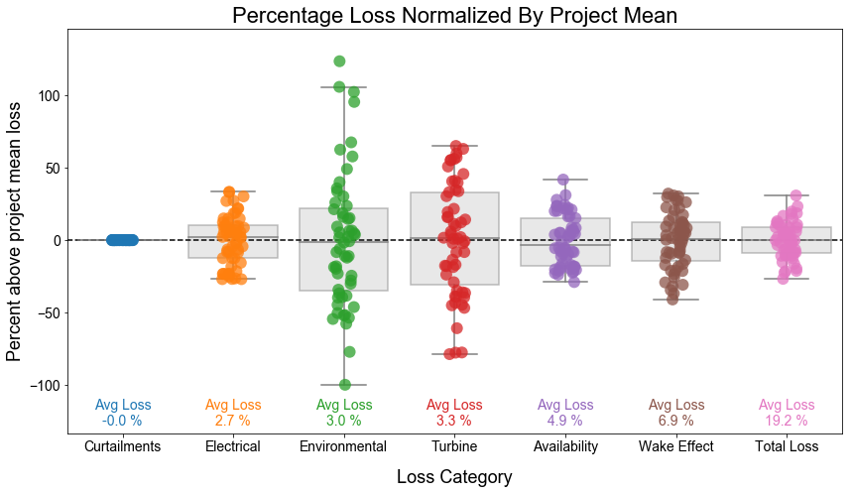

Losses (PRUF and CSM)
conversion (drivetrain, generator, power conversion) | 0
curtailment | 0
electrical | 2.7
env | 3
turbine | 3.3
availability | 4.9
wake | 6.9
total | 20.8%

total minus wake | 13.9%

150w
Farm Name | Rated_Power | Specific_Power | #Turbine | Turbine_D | Turb_spc_rel | Avg_ws | AEP_No_Wake | AEP_Baseline | AEP_Opt | %_Baseline | %_Opt | Wk_Loss_Baseline | Wk_Loss_Opt | AEP_Gain_Opt | Loss_Red_Opt
Rel_spc=10_D=160_avg_ws=6.0_SP=150 | 3016 | 150 | 49 | 160 | 10 | 6 | 588.8 | 565.5 | 568.5 | 96.0 | 96.5 | 4.0 | 3.5 | 0.5 | 13.0
Rel_spc=10_D=160_avg_ws=7.5_SP=150 | 3016 | 150 | 49 | 160 | 10 | 7.5 | 787.6 | 768.0 | 770.7 | 97.5 | 97.9 | 2.5 | 2.1 | 0.4 | 13.7
Rel_spc=10_D=160_avg_ws=9.0_SP=150 | 3016 | 150 | 49 | 160 | 10 | 9 | 911.5 | 896.5 | 898.3 | 98.3 | 98.5 | 1.7 | 1.5 | 0.2 | 12.1
Rel_spc=4_D=160_avg_ws=6.0_SP=150 | 3016 | 150 | 49 | 160 | 4 | 6 | 588.8 | 487.8 | 519.9 | 82.8 | 88.3 | 17.2 | 11.7 | 6.6 | 31.8
Rel_spc=4_D=160_avg_ws=7.5_SP=150 | 3016 | 150 | 49 | 160 | 4 | 7.5 | 787.6 | 697.7 | 728.4 | 88.6 | 92.5 | 11.4 | 7.5 | 4.4 | 34.1
Rel_spc=4_D=160_avg_ws=9.0_SP=150 | 3016 | 150 | 49 | 160 | 4 | 9 | 911.5 | 841.8 | 866.8 | 92.3 | 95.1 | 7.7 | 4.9 | 3.0 | 35.9
Rel_spc=7_D=160_avg_ws=6.0_SP=150 | 3016 | 150 | 49 | 160 | 7 | 6 | 588.8 | 546.2 | 555.3 | 92.8 | 94.3 | 7.2 | 5.7 | 1.7 | 21.2
Rel_spc=7_D=160_avg_ws=7.5_SP=150 | 3016 | 150 | 49 | 160 | 7 | 7.5 | 787.6 | 751.3 | 759.3 | 95.4 | 96.4 | 4.6 | 3.6 | 1.1 | 22.0
Rel_spc=7_D=160_avg_ws=9.0_SP=150 | 3016 | 150 | 49 | 160 | 7 | 9 | 911.5 | 883.8 | 890.3 | 97.0 | 97.7 | 3.0 | 2.3 | 0.7 | 23.4

10 | 4.0 | 4 | 17.2 | 7 | 7.2
10 | 2.5 | 4 | 11.4 | 7 | 4.6
10 | 1.7 | 4 | 7.7 | 7 | 3.0

250w
Farm Name | Rated_Power | Specific_Power | #Turbine | Turbine_D | Turb_spc_rel | Avg_ws | AEP_No_Wake | AEP_Baseline | AEP_Opt | %_Baseline | %_Opt | Wk_Loss_Baseline | Wk_Loss_Opt | AEP_Gain_Opt | Loss_Red_Opt
Rel_spc=10_D=160_avg_ws=6.0_SP=250 | 5027 | 250 | 49 | 160 | 10 | 6 | 709.0 | 671.0 | 675.7 | 94.6 | 95.3 | 5.4 | 4.7 | 0.7 | 12.4
Rel_spc=4_D=160_avg_ws=6.0_SP=250 | 5027 | 250 | 49 | 160 | 4 | 6 | 709.0 | 556.6 | 601.0 | 78.5 | 84.8 | 21.5 | 15.2 | 8.0 | 29.2
Rel_spc=7_D=160_avg_ws=6.0_SP=250 | 5027 | 250 | 49 | 160 | 7 | 6 | 709.0 | 641.5 | 655.4 | 90.5 | 92.4 | 9.5 | 7.6 | 2.2 | 20.6
Rel_spc=10_D=160_avg_ws=7.5_SP=250 | 5027 | 250 | 49 | 160 | 10 | 7.5 | 1068.2 | 1029.7 | 1034.9 | 96.4 | 96.9 | 3.6 | 3.1 | 0.5 | 13.5
Rel_spc=4_D=160_avg_ws=7.5_SP=250 | 5027 | 250 | 49 | 160 | 4 | 7.5 | 1068.2 | 900.0 | 954.5 | 84.3 | 89.4 | 15.7 | 10.6 | 6.0 | 32.4
Rel_spc=7_D=160_avg_ws=7.5_SP=250 | 5027 | 250 | 49 | 160 | 7 | 7.5 | 1068.2 | 997.9 | 1013.3 | 93.4 | 94.9 | 6.6 | 5.1 | 1.5 | 21.9
Rel_spc=10_D=160_avg_ws=9.0_SP=250 | 5027 | 250 | 49 | 160 | 10 | 9 | 1325.9 | 1295.4 | 1300.0 | 97.7 | 98.0 | 2.3 | 2.0 | 0.4 | 15.1
Rel_spc=4_D=160_avg_ws=9.0_SP=250 | 5027 | 250 | 49 | 160 | 4 | 9 | 1325.9 | 1179.7 | 1230.5 | 89.0 | 92.8 | 11.0 | 7.2 | 4.3 | 34.7
Rel_spc=7_D=160_avg_ws=9.0_SP=250 | 5027 | 250 | 49 | 160 | 7 | 9 | 1325.9 | 1268.5 | 1282.6 | 95.7 | 96.7 | 4.3 | 3.3 | 1.1 | 24.6

 | 6m/s 250w/m2 | 7.5m/s 250w/m2 | 9m/s 250w/m2
10 | 5.4 | 3.6 | 2.3
4 | 21.5 | 15.7 | 11.0
7 | 9.5 | 6.6 | 4.3
10 | 0.7 | 0.5 | 0.4
4 | 8.0 | 6.0 | 4.3
7 | 2.2 | 1.5 | 1.1

